BOM_sd card adapter kicad_sd ca
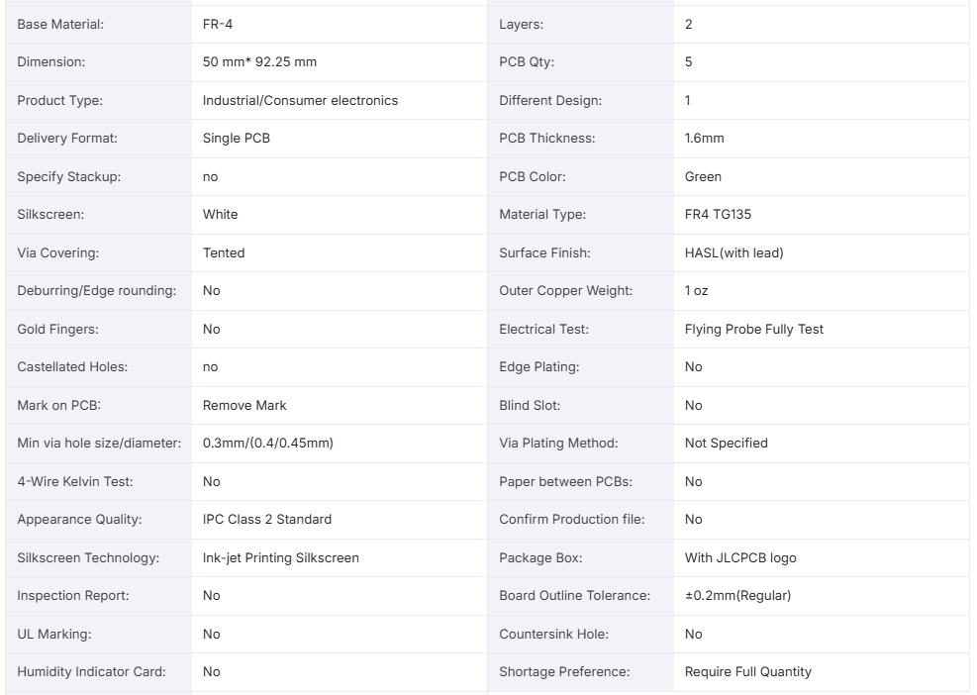
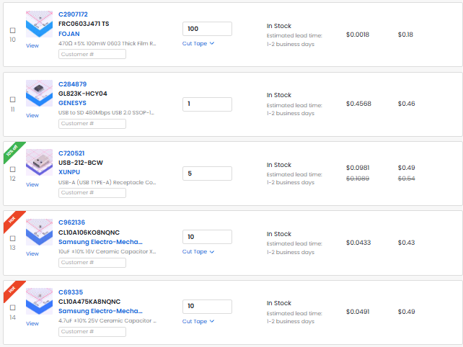
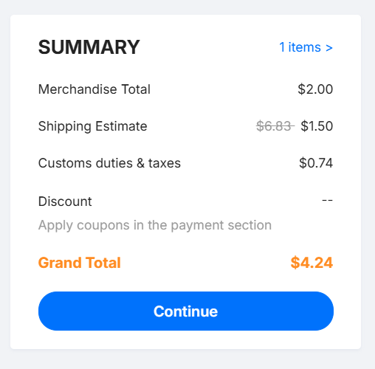
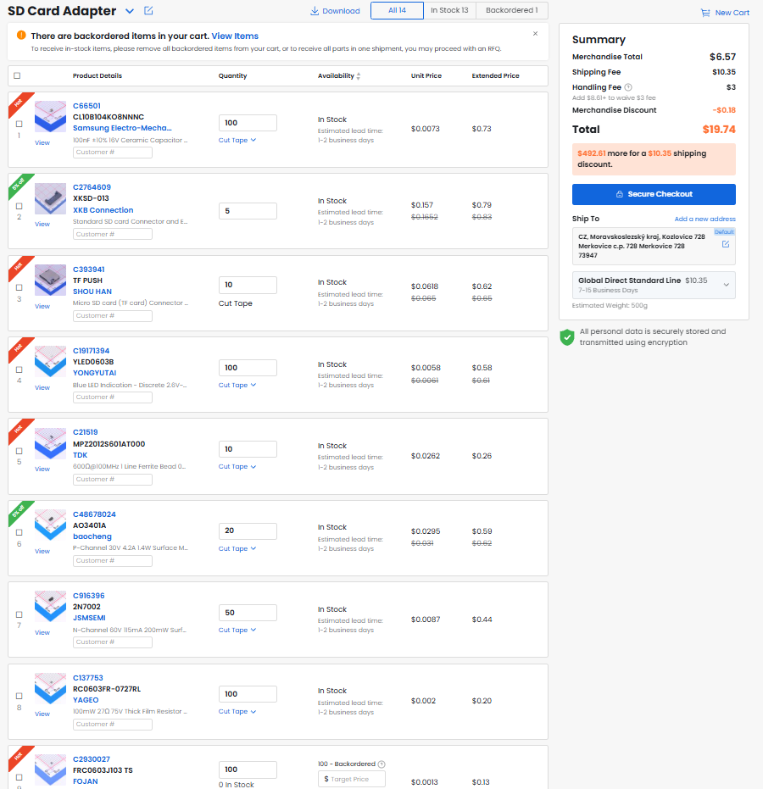
No. | Quantity | Comment | Designator | Footprint | Value | Manufacturer Part | Manufacturer | Supplier Part | Supplier | Total price (USD) $
1 | 1 | 4.7uF | C1 | Capacitor_SMD:C_0603_1608Metric | 4.7uF |  |  | C69335 | LCSC | 0.49
2 | 1 | 10uF | C2 | Capacitor_SMD:C_0603_1608Metric | 10uF |  |  | C962136 | LCSC | 0.43
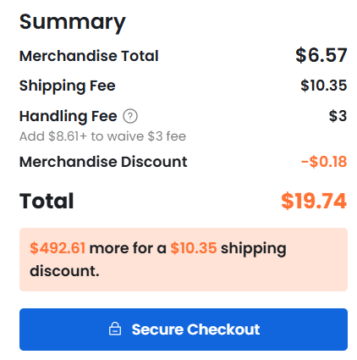
3 | 2 | 100nF | C3,C4 | Capacitor_SMD:C_0603_1608Metric | 100nF | CL10B104KO8NNNC | SAMSUNG(三星) | C66501 | LCSC | 0.73
4 | 1 | XKSD-013 | CARD1 | SIM-SMD_XKSD-013 |  | XKSD-013 | XKB Connection(中国星坤) | C2764609 | LCSC | 0.83
5 | 1 | TF PUSH | CARD2 | TF-SMD_TF-PUSH |  | TF PUSH | SHOU HAN(首韩) | C393941 | LCSC | 0.65
6 | 1 | YLED0603B | D1 | LED_SMD:LED_0603_1608Metric |  | YLED0603B | YONGYUTAI(永裕泰) | C19171394 | LCSC | 0.61
7 | 1 | MPZ2012S601AT000 | L1 | Inductor_SMD:L_0805_2012Metric |  | MPZ2012S601AT000 | TDK | C21519 | LCSC | 0.26
8 | 2 | AO3401A | Q1,Q3 | Package_TO_SOT_SMD:SOT-23 |  | AO3401A | baocheng(宝乘) | C48678024 | LCSC | 0.62
9 | 1 | 2N7002 | Q2 | Package_TO_SOT_SMD:SOT-23 |  | 2N7002 | JSMSEMI(杰盛微) | C916396 | LCSC | 0.44
10 | 2 | 27Ω | R1,R2 | Resistor_SMD:R_0603_1608Metric | 27Ω | RC0603FR-0727RL | YAGEO(国巨) | C137753 | LCSC | 0.2
11 | 8 | 10kΩ | R3,R4,R5,R6,R7,R8,R9,R10 | Resistor_SMD:R_0603_1608Metric | 10kΩ | FRC0603J103 TS | FOJAN(富捷) | C2930027 | LCSC | 0.13
12 | 1 | 470Ω | R11 | Resistor_SMD:R_0603_1608Metric | 470Ω | FRC0603J471 TS | FOJAN(富捷) | C2907172 | LCSC | 0.18
13 | 1 | GL823K-HCY04 | U2 | SSOP-16_L4.9-W3.9-P0.64-LS6.0-BL |  | GL823K-HCY04 | GENESYS(创惟) | C284879 | LCSC | 0.46
14 | 1 | USB-212-BCW | USB1 | USB-A-SMD_USB-212-BCW |  | USB-212-BCW | XUNPU(讯普) | C720521 | LCSC | 0.54
15 | 1 | PCB |  |  |  |  | JLPCB |  |  | 4.24
16 |  | LCSC Shipping |  |  |  |  | LCSC |  |  | 10.35
 |  | LCSC Handling fee |  |  |  |  |  |  |  | 3
 |  |  |  |  |  |  |  |  |  | 24.16
 |  |  |  |  |  |  |  |  | Total: | 25 $ USD
 |  |  |  |  |  |  |  |  |  | ’+28$ EU CFF
 |  |  |  |  |  |  |  |  | Requesting amount: | 55$

 |  |  |  |  | The whole LCSC cart can be downloaded on the Github. (So you can see and add all the items).

 |  |  |  |  | Since 1. July 2026 there will be a new Category Flat Fee, affecting all EU residents, for each category (HS Code) of items there will be a flat
 |  |  |  |  | fee of 3€, the HS Codes for this package are: HS853224, HS853321, HS853400, HS853669, HS850450, HS854121, HS854141, and HS854231.
 |  |  |  |  | Which is 8*3€ or 24€ (28$). This fee will be added automatically when
 |  |  |  |  | checking out (starting on 1.7.2026). But if I order a package on the 20.6. and the package will arrive to the borders in July I will
 |  |  |  |  | still need to pay the fees. THIS IS NOT A LOCAL/POST OR A COUNTRY FEE!!!

